AIR
 | Editor: Pablo Oyarzo
 | Last Rev : Mar. 20th
NAME | PART NUMBER | QTY | PICTURE | LINK | Comment

Power Cord 110V | N/A | 4 |  | Amazon

Replacement Sponge for GT Workstands | Metcal GT-YS10 | 5 |  | Ebay

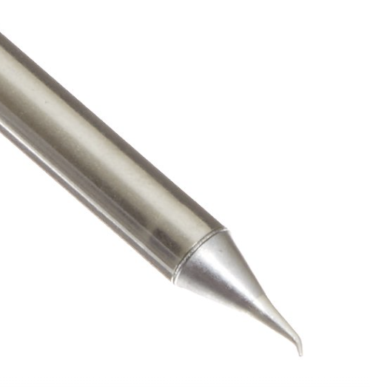
Soldering iron tips | Metcal SSC-626A | 10 |  | Amazon

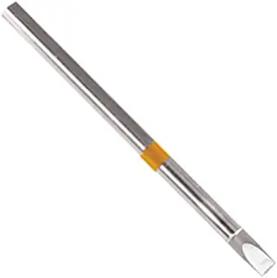
Soldering iron tips | Thermaltronics S75CH050 | 10 |  | Amazon

S300 Flexes | XR | 10? |  | Itestbox
 | XS | 10?
 |  | 10?
 |  | 10?
 |  | 10?
 |  | 10?
 |  | 10?

